Table 1
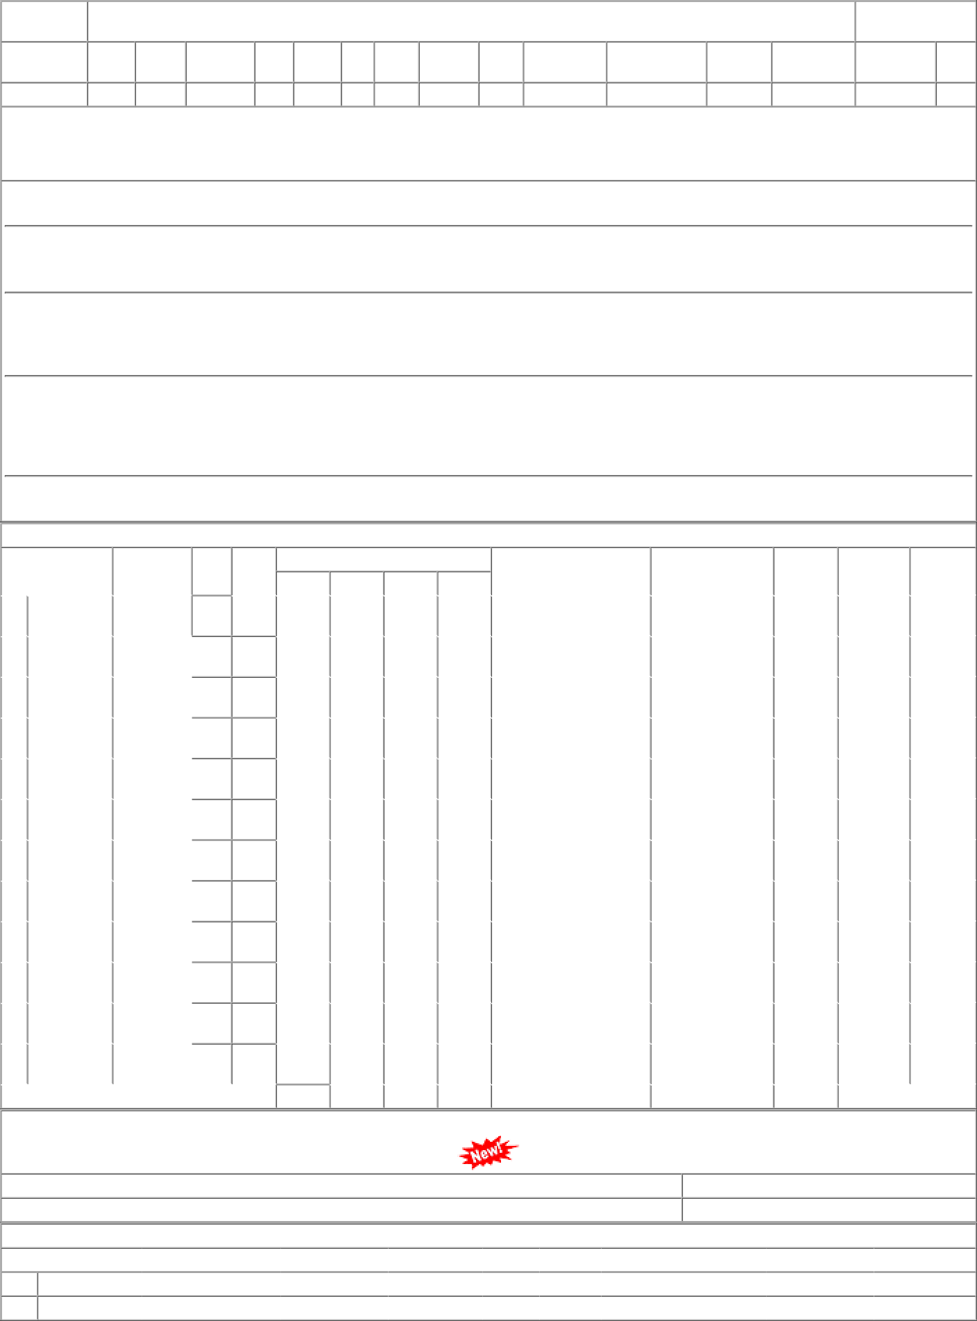
Rly : WR P.L.No. | Old Pl No. |  |  |  | Uni. Pl No |  | Uni_YN |  |  | Sec |  |  | FILE |  |  | CP SRS |  |  | HISTORY SHEET Vit/Saf ABC |  |  |  |  |  | PAS.NCT |  | MUST.CHG |  |  |  |  | SHELF |  | SOURCE |  |  | Date : 04- JAN-23 UNF.RLY Wt KG
73031379 | Y 03 |  |  |  |  |  |  |  |  |  |  |  | 1529 03 05 |  |  |  |  |  |  | VIT B2 N |  |  |  |  |  |  | N NA |  |  |  |  |  |  | NER
"M.S. BLACK HEXAGON HEAD BOLT WITH THREAD M16 NOMINAL LENGTH 50 MM AND PROPERTY CLASS 4.8, CONFORMING TO IS 1363 (PART 1):2002/ISO 4016 :1999(FOURTH REVISION)WITH HEXAGON NUT WITH THREAD M16 AND PROPERTY CLASS 5,CONFORMING TO IS 1363(PART 3):2002/ISO 4034:1999 (FOURTH REVISION)." Spec:ISS1363-1984 D0928002[BVPW] 08/09/22 03:27:51 As per CWM/BVP''s letter no. S.234/AAC/GEN. DT-15.03.2022 Proposed AAC is 189 Kgs. for CP-01.04.2023 to 31.03.2024
D0921LCJ[SBI-GSD] 02/08/22 02:07:10 Stock position is critical ,above sited PO''s DP expired on 30.04.2022 please make a suitable action expiry of DP ( ASI 2022-23 received from SSE/C&W/HAPA - 40,000 Kgs.)
D0961NLS[DHD-L] 25/07/22 02:46:46 Dy. CMM (G) CCG :- AAC- 8600 Kgs. Total ( CWM DHD AAC - 2600 Kgs.+ Div. AAC- 6000 Kgs.) for CP. 2022-23 CWM DHD Letter No. M 266/ W/ Advance Intimation 22-23 Dated. 05.05.2021 & 11.06.2021 & AAC - 2500 Kgs. for CP. 2023-24 CWM DHD L/No.M266/W/Advance Intimation 23-24 Dt. 24/03/2022.
D0902L10[PL-CR] 18/05/22 04:09:19 1)As per DY.CME(P)/PL''''s letter no. S 226/2/1 AR Dtd. 01/02/22 Praposed AAC for 2022-23 considering 5 to 10% out of course requirement is 0. Item De-stocked. 2)Total San. Imp.BCT for 2022-23 =52. (BL=40 ST=8 UDN=4) 3)As per Dy CME(P)PL''''s letter No.S 226/2/1 AR Dated 01/02/2022, proposed AAC is 0 for the year 2022-23 and PL to be de-stocked. Hence therefore it is requested to cancel the purchase order quantity.
D0962LG3[PRTN-CW] 24/02/22 09:43:01 AAC 6800 for CP 22-23 (2000 as advised by PRTN W/Shop + 4800 Imprest) STOCK, AAC AND CONSUMPTION DETAILS CONSUMPTION / SALES AAC |  |  |  |  |  |  |  |  |  |  |  |  |  |  |  |  |  |  |  |  |  |  |  |  |  |  |  |  |  | STOCK |  |  | SPARE |  |  | LI DT |  |  | B.RATE
DEPOT |  |  | WD CAT |  |  |  |  |  | MDP |  |  | 19-20 |  |  | 20-21 |  |  | 21-22 |  |  |  | 22-23 |  | AAC NCP |  |  |  |  | (MTHS) |  |  |  | STOCK |  |  | LR DT |  |  |  | UNIT
02 PL-CR |  | 30 |  |  |  | 10 |  | 02 |  |  | 0 |  |  | 0 |  |  | 0 |  |  |  | 0 |  | 0 |  |  |  |  | 0 |  |  |  |  | 0 |  | 2018-12-05 |  |  |  | 64.27
 |  | ( Closed ) |  |  |  |  |  |  |  |  | 0 |  |  | 0 |  |  | 0 |  |  |  | 0 |  | 0 |  |  |  |  |  |  |  |  |  |  |  | 2017-10-25 |  |  |  | Kgs.
02 PL-CR |  | 45 |  |  |  | 10 |  | 02 |  |  | 268 |  |  | 50 |  |  | 121 |  |  |  | 20 |  | 250 |  |  |  |  | 93 |  |  |  |  | 0 |  | 2022-09-19 |  |  |  | 55.92
 |  |  |  |  |  |  |  |  |  |  | 0 |  |  | 0 |  |  | 0 |  |  |  | 0 |  | 250 |  |  |  |  | (4.5) |  |  |  |  |  |  | 2019-07-03 |  |  |  | Kgs.
03 BCT-TR |  | 55 |  |  |  | 10 |  | 02 |  |  | 0 |  |  | 0 |  |  | 0 |  |  |  | 0 |  | 0 |  |  |  |  | 0 |  |  |  |  | 0 |  | 2010-11-25 |  |  |  | 55.00
 |  | ( Closed ) |  |  |  |  |  |  |  |  | 0 |  |  | 0 |  |  | 0 |  |  |  | 0 |  | 0 |  |  |  |  |  |  |  |  |  |  |  | 2004-12-18 |  |  |  | Kgs.
06 BL-ELS |  | 16 |  |  |  | 10 |  | 02 |  |  | 1 |  |  | 8 |  |  | 4 |  |  |  | 4 |  | 0 |  |  |  |  | 6 |  |  |  |  | 0 |  | 2022-04-12 |  |  |  | 57.98
 |  |  |  |  |  |  |  |  |  |  | 0 |  |  | 0 |  |  | 0 |  |  |  | 0 |  | 0 |  |  |  |  |  |  |  |  |  |  |  | 2013-12-26 |  |  |  | Kgs.
21 SBI-GSD |  | 21 |  |  |  | 10 |  | 21 |  |  | 11708 |  |  | 27205 |  |  | 14582 |  |  |  | 6379 |  | 10000 |  |  |  |  | 167 |  |  |  |  | 0 |  | 2022-12-09 |  |  |  | 94.08
 |  |  |  |  |  |  |  |  |  |  | 0 |  |  | 0 |  |  | 0 |  |  |  | 100 |  | 10000 |  |  |  |  | (0.2) |  |  |  |  |  |  | 2022-11-02 |  |  |  | Kgs.
26 JND |  | 10 |  |  |  | 10 |  | 21 |  |  | 0 |  |  | 0 |  |  | 0 |  |  |  | 0 |  | 0 |  |  |  |  | 0 |  |  |  |  | 0 |  | 2012-12-29 |  |  |  | 45.36
 |  | ( Closed ) |  |  |  |  |  |  |  |  | 0 |  |  | 0 |  |  | 0 |  |  |  | 0 |  | 0 |  |  |  |  |  |  |  |  |  |  |  | 2010-07-13 |  |  |  | Kgs.
28 BVPW |  | 69 |  |  |  | 10 |  | 28 |  |  | 250 |  |  | 100 |  |  | 100 |  |  |  | 105 |  | 250 |  |  |  |  | 31 |  |  |  |  | 0 |  | 2022-11-02 |  |  |  | 69.81
 |  |  |  |  |  |  |  |  |  |  | 0 |  |  | 0 |  |  | 0 |  |  |  | 0 |  | 250 |  |  |  |  | (1.5) |  |  |  |  |  |  | 2019-06-17 |  |  |  | Kgs.
61 DHD-L |  | 06 |  |  |  | 10 |  | 61 |  |  | 2062 |  |  | 2430 |  |  | 1700 |  |  |  | 850 |  | 2000 |  |  |  |  | 9 |  |  |  |  | 0 |  | 2022-12-23 |  |  |  | 55.36
 |  |  |  |  |  |  |  |  |  |  | 60 |  |  | 0 |  |  | 0 |  |  |  | 0 |  | 2000 |  |  |  |  | (0.1) |  |  |  |  |  |  | 2020-03-06 |  |  |  | Kgs.
62 PRTN-CW |  | 51 |  |  |  | 10 |  | 62 |  |  | 2790 |  |  | 31270 |  |  | 8600 |  |  |  | 6275 |  | 12500 |  |  |  |  | 1 |  |  |  |  | 0 |  | 2022-12-27 |  |  |  | 94.38
 |  |  |  |  |  |  |  |  |  |  | 300 |  |  | 200 |  |  | 6900 |  |  |  | 0 |  | 12500 |  |  |  |  | 0 |  |  |  |  |  |  | 2022-12-22 |  |  |  | Kgs.
64 RTM-DL |  | 72 |  |  |  | 10 |  | 62 |  |  | 0 |  |  | 0 |  |  | 0 |  |  |  | 0 |  | 0 |  |  |  |  | 0 |  |  |  |  | 0 |  | 2019-02-02 |  |  |  | 65.84
 |  | ( Closed ) |  |  |  |  |  |  |  |  | 0 |  |  | 0 |  |  | 0 |  |  |  | 0 |  | 0 |  |  |  |  |  |  |  |  |  |  |  | 2017-12-20 |  |  |  | Kgs.
64 RTM-DL |  | 73 |  |  |  | 10 |  | 62 |  |  | 0 |  |  | 0 |  |  | 0 |  |  |  | 0 |  | 0 |  |  |  |  | 0 |  |  |  |  | 0 |  | 2015-04-18 |  |  |  | 64.61
 |  | ( Closed ) |  |  |  |  |  |  |  |  | 0 |  |  | 0 |  |  | 0 |  |  |  | 0 |  | 0 |  |  |  |  |  |  |  |  |  |  |  | 2014-06-16 |  |  |  | Kgs.
82 BRC-DIV |  | 22 |  |  |  | 10 |  | 82 |  |  | 25 |  |  | 0 |  |  | 0 |  |  |  | 0 |  | 0 |  |  |  |  | 0 |  |  |  |  | 0 |  | 2020-02-24 |  |  |  | 75.51
 |  |  |  |  |  |  |  |  |  |  | 0 |  |  | 0 |  |  | 0 |  |  |  | 0 |  | 0 |  |  |  |  |  |  |  |  |  |  |  |  |  |  |  | Kgs.
TOTAL( CONSUMPTION ): |  |  |  |  |  |  |  |  |  |  | 17104 |  |  | 61063 |  |  | 25107 |  |  |  | 13633 |  | 25000(Cat-10, MDP) |  |  |  |  | 307 (.1 months)
Total available Stock of selected item in Digital Ledgers maintained by Users / Consignees of Western Railway in UDM
Stock Qty 297.000 Nos. + 4697.532 Kgs. UN-COVERED DUES DETAILS |  |  |  |  |  |  |  |  |  |  |  |  |  |  |  |  |  |  |  |  |  |  |  |  |  |  |  |  |  |  | Stock Value 426661.57
Depot |  |  |  | Demand No. |  |  |  |  |  |  | Reg.Date |  |  |  |  |  | Due Qty |  |  |  |  |  | Unit |  | Type | File/Tender No. |  |  |  |  |  |  | Due Date |  |  |  |  | Remarks
02 PL-CR |  |  |  | 0222053017 |  |  |  |  |  |  | 2022-05-01 |  |  |  |  |  | -1 |  |  |  |  |  | Kgs. |  | SRM | 03221529
82 BRC-DIV |  |  |  | 8222053017 |  |  |  |  |  |  | 2022-05-01 |  |  |  |  |  | -1 |  |  |  |  |  | Kgs. |  | SRM | 03221529

